Location Plan & Summary
Intelligent Data Collection Limited

Client: | Bristol City Council |  |  | Date of Survey: |  | 09.07.2015
Project Number: | ID02343 |  |  | Site Name: |  | Coombe Road
Site Number: | ANPR Site 21 |  |  | Survey Type: |  | Two-way Link Count

X Coordinate |  | Y Coordinate |  |  | Google Maps Link
51.472608 |  | -2.558291 |  |  | Click Here
AM Peak Conditions |  | Inter-Peak Conditions |  |  | PM Peak Conditions
Clear and Sunny |  | Clear and Sunny |  |  | Clear and Sunny
Junction Layout

N
 |  |  |  |  |  | Arm B - Coombe Road (N)

 |  |  | Arm A - Coombe Road (S)

Aerial Mapping and On-site Camera View
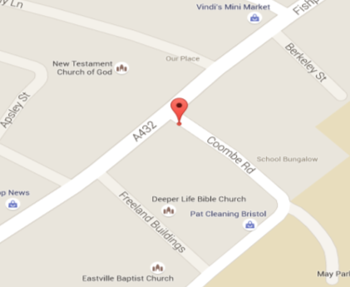

Arm A - Coombe Road (S)

Arm B - Coombe Road (N)

Junction Flow Profile
Arm Approach Flows (All Vehicles)
 | A to B (Northbound) | B to A (Southbound) | Two-way Total
7:00:00 | 4 | 7 | 11
7:15:00 | 6 | 3 | 9
7:30:00 | 12 | 10 | 22
7:45:00 | 9 | 12 | 21
8:00:00 | 19 | 11 | 30
8:15:00 | 10 | 13 | 23
8:30:00 | 17 | 15 | 32
8:45:00 | 26 | 13 | 39
9:00:00 | 8 | 5 | 13
9:15:00 | 3 | 3 | 6
9:30:00 | 6 | 6 | 12
9:45:00 | 8 | 6 | 14
10:00:00 | 2 | 3 | 5
10:15:00 | 6 | 7 | 13
10:30:00 | 2 | 6 | 8
10:45:00 | 5 | 3 | 8
11:00:00 | 6 | 4 | 10
11:15:00 | 5 | 6 | 11
11:30:00 | 8 | 6 | 14
11:45:00 | 7 | 3 | 10
12:00:00 | 9 | 8 | 17
12:15:00 | 5 | 6 | 11
12:30:00 | 6 | 6 | 12
12:45:00 | 6 | 7 | 13
13:00:00 | 10 | 3 | 13
13:15:00 | 3 | 3 | 6
13:30:00 | 9 | 5 | 14
13:45:00 | 4 | 6 | 10
14:00:00 | 7 | 9 | 16
14:15:00 | 7 | 10 | 17
14:30:00 | 5 | 8 | 13
14:45:00 | 13 | 5 | 18
15:00:00 | 11 | 5 | 16
15:15:00 | 6 | 19 | 25
15:30:00 | 18 | 17 | 35
15:45:00 | 4 | 6 | 10
16:00:00 | 23 | 8 | 31
16:15:00 | 15 | 10 | 25
16:30:00 | 22 | 9 | 31
16:45:00 | 6 | 5 | 11
17:00:00 | 13 | 5 | 18
17:15:00 | 12 | 2 | 14
17:30:00 | 13 | 7 | 20
17:45:00 | 9 | 12 | 21
18:00:00 | 8 | 3 | 11
18:15:00 | 11 | 8 | 19
18:30:00 | 10 | 7 | 17
18:45:00 | 4 | 4 | 8

Additional Notes (Factors which may impact on survey results such as accidents, roadworks, special events):

